Measurement
Sample Measurement Record
Mano Engineering LLC |  |  |  |  |  |  |  |  |  |  |  |  |  | Part #. 222723-184
No. | A | B | C | D | E | F | G | H | I | J | K | L | M | N
1 | 37.9300 | 37.9100 | 1.0100 | 5.6600 | 5.0180 | 27.9310 | 10.2840 | 6.6000 | 0.5220 | 16.0050 | 0.4100 | 13.4250 | 10.0700
2 | 38.0100 | 37.9600 | 1.0200 | 5.5830 | 4.9890 | 28.0040 | 10.2870 | 6.6000 | 0.5630 | 16.1200 | 0.4500 | 13.4800 | 10.0250
3 | 38.0600 | 38.0300 | 1.0500 | 5.6000 | 4.8980 | 27.9720 | 10.2740 | 6.5200 | 0.4860 | 15.9850 | 0.4000 | 13.6010 | 10.0450
4 | 38.0700 | 37.9400 | 1.0000 | 5.5860 | 5.1540 | 27.9650 | 9.8600 | 6.7000 | 0.6000 | 16.1650 | 0.5000 | 13.4400 | 10.2350
5 | 38.0200 | 37.7900 | 1.0000 | 5.5880 | 5.0060 | 27.9530 | 9.6190 | 6.6400 | 0.4420 | 16.2050 | 0.3240 | 13.4500 | 10.1050
A
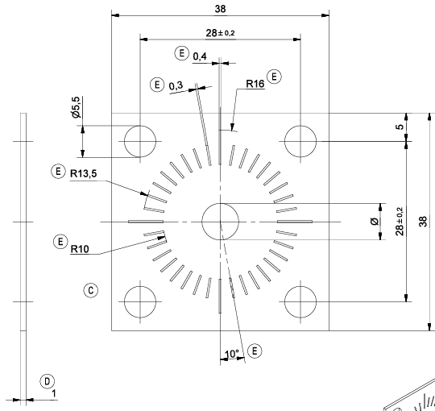
I

D
K
J
E

L
H
B
F
M

G
C

